Calculator
 |  | CaliLantern Calculator |  |  | V3.5
 |  | All Instructions for this document are in the written PDF guide.

Existing Calibration
 | Skew
 | Use Skew Model: | None

Klipper
 | XY | XZ | YZ
 | 0.00000000 | 0.00000000 | 0.00000000

Marlin | XY | ZX | ZY
 | 0.00000 | 0.00000 | 0.00000

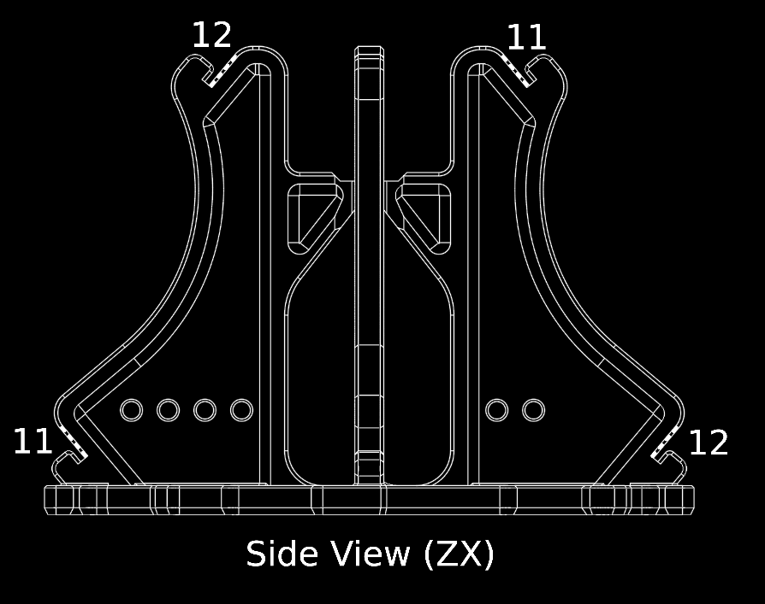
RRF | S | X | Y | Z
 | 100 | 0.0000 | 0.0000 | 0.0000

Measurements
(This spreadsheet is locked to prevent accidental modification)
 | Scale | 100%
 | (if you have a larger printer, and larger tools, you can print at larger scale)

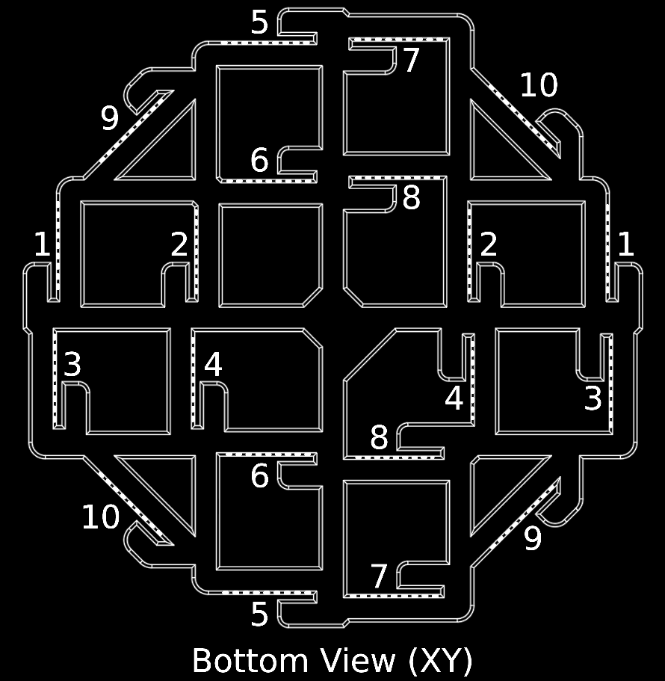
 | Type | Reading 1 | Reading 2 | Reading 3 | Average | Status
1 | Outer | 100.00 | 100.00 | 100.00 | 100.00 | 1.00
2 | Outer | 50.00 | 50.00 | 50.00 | 50.00 | 1.00
3 | Inner | 100.00 | 100.00 | 100.00 | 100.00 | 1.00
4 | Inner | 50.00 | 50.00 | 50.00 | 50.00 | 1.00
5 | Outer | 100.00 | 100.00 | 100.00 | 100.00 | 1.00
6 | Outer | 50.00 | 50.00 | 50.00 | 50.00 | 1.00
7 | Inner | 100.00 | 100.00 | 100.00 | 100.00 | 1.00
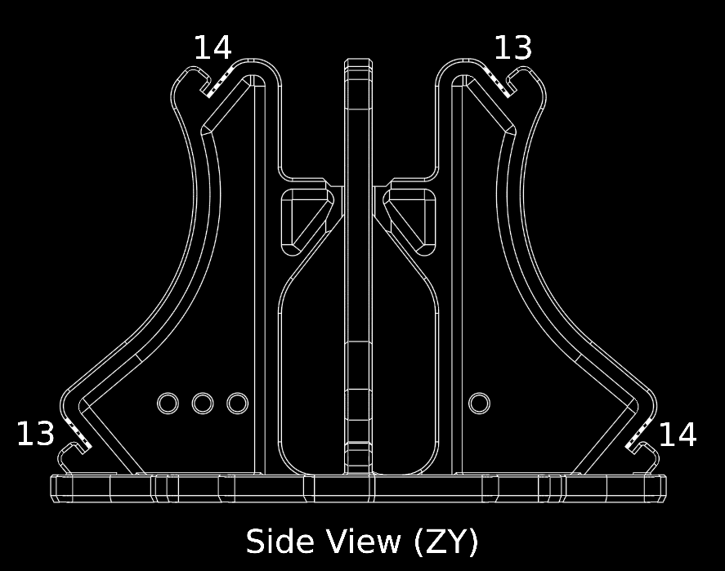
8 | Inner | 50.00 | 50.00 | 50.00 | 50.00 | 1.00
9 | Outer | 100.00 | 100.00 | 100.00 | 100.00 | 1.00
10 | Outer | 100.00 | 100.00 | 100.00 | 100.00 | 1.00
11 | Outer | 100.00 | 100.00 | 100.00 | 100.00 | 1.00
12 | Outer | 100.00 | 100.00 | 100.00 | 100.00 | 1.00
13 | Outer | 100.00 | 100.00 | 100.00 | 100.00 | 1.00
14 | Outer | 100.00 | 100.00 | 100.00 | 100.00 | 1.00

 | 1.00 | This measurement seems to have been taken correctly.
 | 0.75 | This measurement may have an error. Please Double-check your measurement.
 | 0.00 | This measurement very likely has a problem, may have been measured incorrectly.

Results
Score | 1000

Size
 | Error | Correction
X | 0.00% | 0.00%
Y | 0.00% | 0.00%

Skew
 | Angle | Measured Skew | Firmware Skew Compensation | Next Skew Estimate
XY Skew | 90.00° | 0.000° | 0.00° | 0.00°
ZX Skew | 90.00° | 0.000° | 0.00° | 0.00°
ZY Skew | 90.00° | 0.000° | 0.00° | 0.00°

Extrusion
 | Error
Inner | 0.00%
Outer | 0.00%

Fix Skew
Klipper G Code Fix

 | Add | [skew_correction] |  |  |  |  | to printer.cfg
 | Send Command | SET_SKEW XY=141.421,141.421,100 XZ=141.421,141.421,100 YZ=141.421,141.421,100 |  |  |  |  | via console
 | Send Command | SKEW_PROFILE SAVE=calilantern_skew_profile |  |  |  |  | via console
 | Send Command | SAVE_CONFIG |  |  |  |  | via console
 | Copy & Paste | SKEW_PROFILE LOAD=calilantern_skew_profile |  |  |  |  | to end of start G code
 | Copy & Paste | SET_SKEW CLEAR=1 |  |  |  |  | to start of end G code

Marlin Firmware Adjustment

 | Copy & Paste | #define XY_DIAG_AC 141.421 |  |  | to firmware
 | Copy & Paste | #define XY_DIAG_BD 141.421 |  |  | to firmware
 | Copy & Paste | #define XY_SIDE_AD 100 |  |  | to firmware

 | Copy & Paste | #define XZ_DIAG_AC 141.421 |  |  | to firmware
 | Copy & Paste | #define XZ_DIAG_BD 141.421 |  |  | to firmware
 | Copy & Paste | #define YZ_DIAG_AC 141.421 |  |  | to firmware
 | Copy & Paste | #define YZ_DIAG_BD 141.421 |  |  | to firmware
 | Copy & Paste | #define YZ_SIDE_AD 100 |  |  | to firmware

Marlin Firmware Adjustment (alternative)

 | Copy & Paste | #define XY_SKEW_FACTOR 0 |  |  | to firmware
 | Copy & Paste | #define XZ_SKEW_FACTOR 0 |  |  | to firmware
 | Copy & Paste | #define YZ_SKEW_FACTOR 0 |  |  | to firmware

Marlin G-Code Adjustment

 | Ensure | #define SKEW_CORRECTION_GCODE |  |  | in firmware
 | Send Command | M852 I0 J0 K0 |  |  | via console
 | Send Command | M500 |  |  | via console

RepRap Firmware Adjustment

 | Copy & Paste | M556 S100 X0 Y0 Z0 |  |  | to config.g

Fix Size | (Pick one)
Material XY shinkage
SuperSlicer
 | Current Shrinkage | 100
 | New Shrinkage | 100.00

Cura/PrusaSlicer
 | Current Scale | 100.00%
 | New XY Scale | 100.00%

Steps/mm OR Rotation Distance
(only use if you these if you have no other option)
 |  | Input your values below
 | Current Steps/mm (X) | 100
 | Current Steps/mm (Y) | 100

 | New Steps/mm (X) | 100.00
 | New Steps/mm (Y) | 100.00

 |  | Input your values below
 | Current Rot. Dist. (X) | 100
 | Current Rot. Dist. (Y) | 100

 | New Rot. Dist. (X) | 100.00
 | New Rot. Dist. (Y) | 100.00

